analise_10
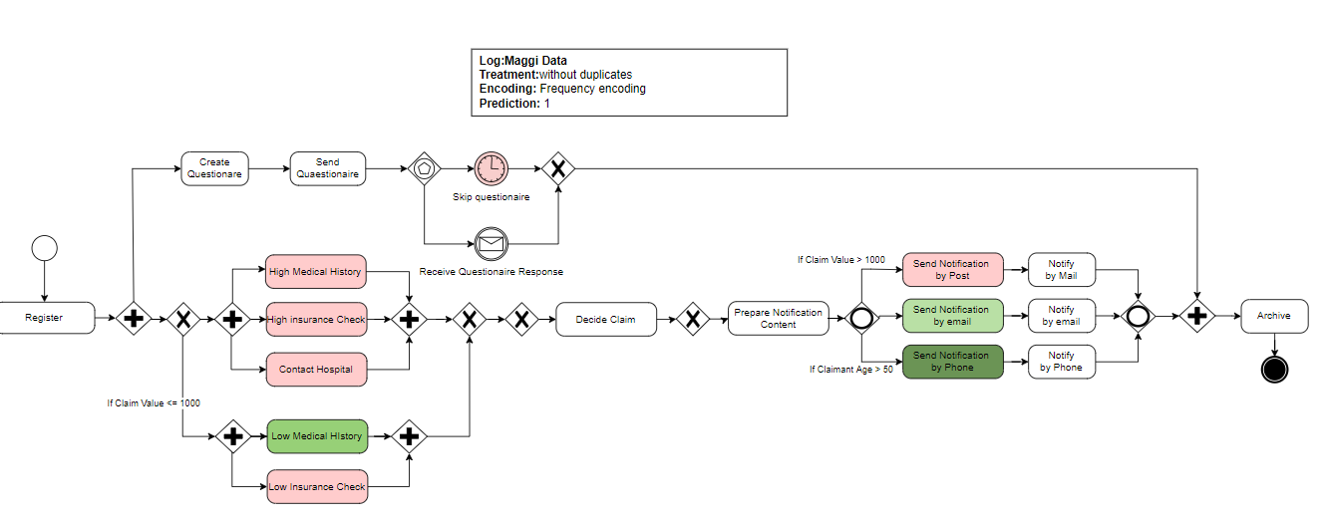
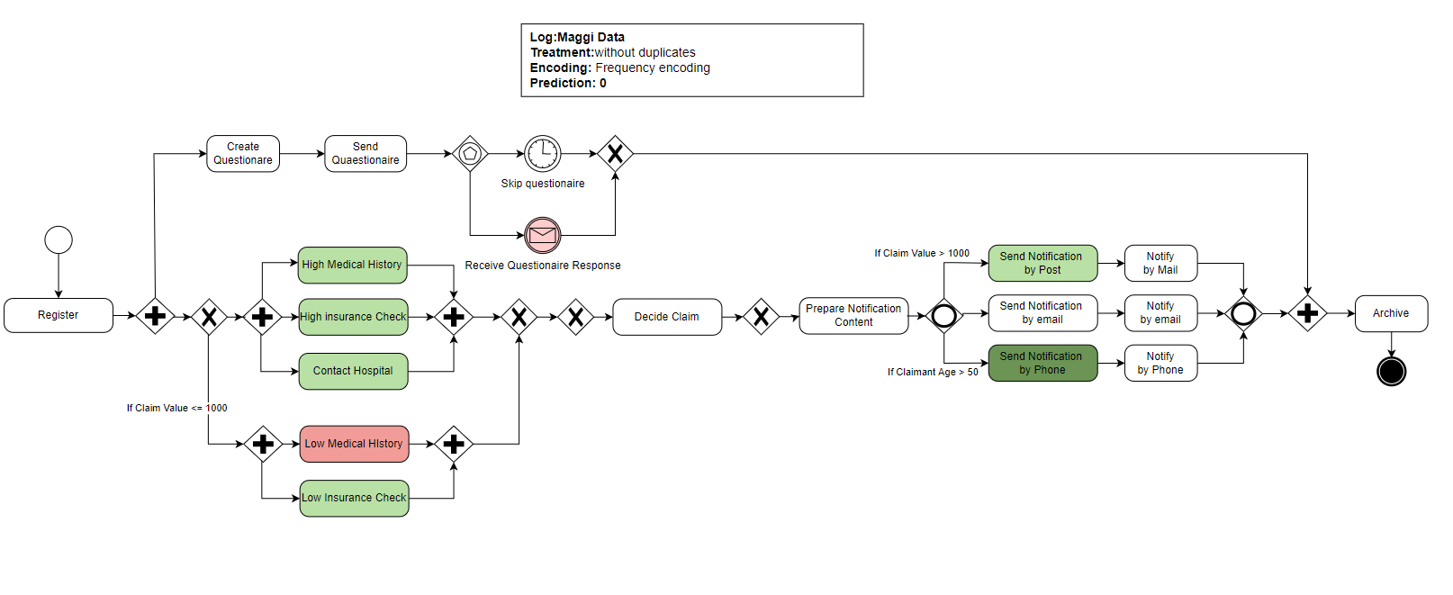
SP LIME | Send Notification by Phone | Low Medical History | Send Notification by Post | Contact Hospital | High Medical History | Receive Questionnaire Response | Low Insurance Check | High Insurance Check | Skip Questionnaire | Send Notification by e-mail | Archive | Prepare Notification Content | Create Questionnaire | Decide claim | Register | Send Questionnaire | prediction
Lime results | 1 | 1 | 1 | 1 | 1 | 1 | 1 | 1 | 1 | 1 | 1 | 1 | 1 | 1 | 1 | 1 | -
2 | 0.144 |  | -0.050 | -0.036 | -0.036 |  |  | -0.036 | -0.014 | -0.003 | 0.000 | 0.000 | 0.000 | 0.000 | 0.000 | 0.000 | 1
3 | 0.153 |  | -0.049 | -0.031 | -0.038 |  |  | -0.034 | -0.012 |  | 0.000 | 0.000 | 0.000 | 0.000 | 0.000 | 0.000 | 1
8 | 0.141 | 0.055 |  |  |  |  | 0.031 |  | -0.011 | -0.009 | 0.000 | 0.000 | 0.000 | 0.000 | 0.000 | 0.000 | 1
9 | 0.141 | 0.058 |  |  |  | 0.035 | 0.032 |  |  |  | 0.000 | 0.000 | 0.000 | 0.000 | 0.000 | 0.000 | 1
média | 0.145 | 0.056 | -0.050 | -0.034 | -0.037 | 0.035 | 0.031 | -0.035 | -0.012 | -0.006 | 0.000 | 0.000 | 0.000 | 0.000 | 0.000 | 0.000
0 | -0.141 |  | 0.046 | 0.035 | 0.034 | -0.032 |  | 0.026 |  | 0.005 | 0.000 | 0.000 | 0.000 | 0.000 | 0.000 | 0.000 | 0
1 |  | -0.057 |  |  |  |  | -0.031 |  | 0.009 |  | 0.000 | 0.000 | 0.000 | 0.000 | 0.000 | 0.000 | 0
4 |  |  | 0.048 | 0.040 | 0.041 | -0.041 |  | 0.038 |  | -0.009 | 0.000 | 0.000 | 0.000 | 0.000 | 0.000 | 0.000 | 0
5 |  | -0.054 |  |  |  |  | -0.037 |  | 0.012 |  | 0.000 | 0.000 | 0.000 | 0.000 | 0.000 | 0.000 | 0
6 | -0.149 |  | 0.051 | 0.031 | 0.036 | -0.031 |  | 0.034 |  |  | 0.000 | 0.000 | 0.000 | 0.000 | 0.000 | 0.000 | 0
7 |  |  | 0.045 | 0.034 | 0.036 | -0.033 |  | 0.034 |  |  | 0.000 | 0.000 | 0.000 | 0.000 | 0.000 | 0.000 | 0
média | -0.145 | -0.056 | 0.047 | 0.035 | 0.037 | -0.034 | -0.034 | 0.033 | 0.011 | -0.002 | 0.000 | 0.000 | 0.000 | 0.000 | 0.000 | 0.000

